Configuration
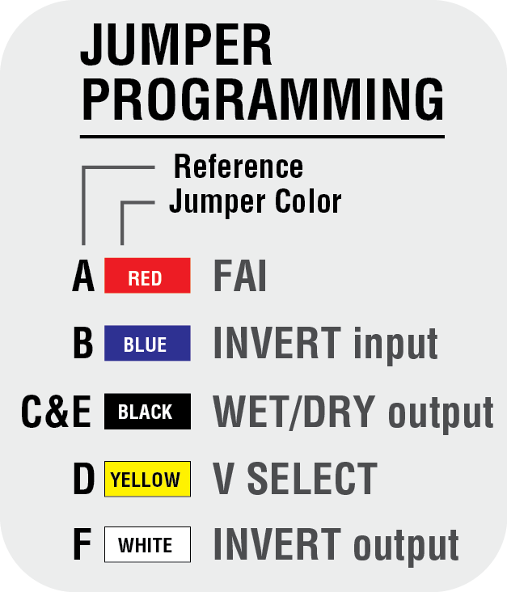
 |  |  | C4/C8 Configuration Tool

Step 1 |  |  |  | Results
Voltage Sources |  |  |  | Jumper Settings

 | B1 |  | V |  | Jumper | Position
 | B2 |  | V |  | A | 1
 |  |  |  |  | B | 1
 |  |  |  |  | C |  | 2
Step 2 |  |  |  |  | D | 1
Zone Information |  |  |  |  | E |  | 2
 |  |  |  |  | F |  | 2

 | Input Type | NC Dry Contact
 | Output Type | Mag Lock
 | Output Voltage
 | Zone FAI? | Yes

The C8 Configuration Tool determines the correct jumper settings for a single zone of a C4, C4P, C8, or C8P based on configuration information entered.

Step 1 | Under "Voltage Sources", enter the Buss 1 and Buss 2 (if used) voltages for the system. The Buss 1 power supply connects to the
 | B1 power input of the C4/C8. The Buss 2 power supply connects to B2.

Step 2 | Enter the configuration information under "Zone Information" using the drop down boxes.

 |  | Input Type | The method used for activating the zone. Options include NO or NC dry contact, voltage application
 |  |  | or removal, open collector, or no input (for a constant output).
 |  | Output Type | The desired output device or configuration. Options include Mag Lock, Fail Safe or Secure Strike, NO or
 |  |  | NC Relay Contact, or Constant Output.
 |  | Output Voltage | The output voltage for the zone, based upon the voltages entered in the Voltage Sources Block
 |  | Zone FAI? | Determines whether or not FAI activation will affect the zone. Options are Yes or No.

Results | Review the jumper settings in the "Jumper Settings" block on the right side of the screen.

